Adrigole_Forestry Ref
WFD Referral Code | Adrigole_010_ForestryRef01_Protect |  | Referral Date: | 2023-03-27
PAA name | Adrigole PAA | Catchment Significant Pressures Description: The Adrigole river is a blue dot (high status objective) waterbody which has been at good status since 2007-2009. In the latest monitoring cycle (2013-2018) fish achieved good status while invertebrate achieved high status and the WFD status was good. Q value monitoring has been undertaken by the EPA again in 2021 and the invertebrate status has returned to high (Q4/5). One potential significant pressure in the catchment noted in the desk study was clear felling of forestry in close proximity to the EPA monitoring which may alter habitat due to morphological changes. Forestry in this area was planted on peat soils and has quite a dense drainage network.
Waterbody Code | IE_SW_21A010200
Waterbody Name | Adrigole_010

Referral point | Adrigole_010 | Description of Referral Area: Forestry in the Adrigole_010 Waterbody north-east of the monitoring point 'Adrogole Br ' as set out on Map 1 and 2 in this exel
Forestry (Owner) | Privately owned

FOR WFD APP: |  |  | For ASSAP
These are mandatory fields in the WFD APP |  |  | Significant issue (s) | Sediment
Pressure Category* | Forestry | Existing | for this referral
Pressure Sub category*
 |  |  | Pathway (s) | Overland Flow
 |  |  |  | Direct drains from forestry
Pressure Type* (Associated pressure(s))
 |  |  | Pathway subcategory(s)

 |  |  | Main Crop type(s) where known | Sitka spruce

Evidence to Support Significant Issue (s)
Visual

Supporting Information
LCA findings

Referral Issue (s) Description:
During the local catchment assessment it was obvious that legacy forestry was planted on peat soils and has quite a dense drainage network. During a heavy rainfall event on the 1st of July 2022 several drains were observed to contain quite acidic water (~4.7) with many more discharging large volumes. Drained peat is likely to discharge low pH water potentially with high nutrient (particularly ammonium) loads as well as a variety of metals which can be leeched and mobilised in low pH conditions. Some windblow was also observed at the site which may potentially contribute sediment. The site is due for thinning in the near future and therefore there is a risk of mobilisation of further sediment in addition to the aforementioned risks. Both LAWPRO and the EPA have sampled the river above and below the forestry (both of which currently show excellent invertebrate quality) so baseline data are available prior to forestry operations being carried out. LAWPRO should be notified when thinning is to commence so that repeat sampling can be undertaken up and downstream of the forestry. Furthermore all possible precautions should be taken during forestry operations to protect water quality and restructuring/deforestation considered in future for this site.

Proposed Measures
Measure category | Description |  | Comments
Source Control | Awareness/education of contractors re water quality risks associated with felling
Mobilisation Control | Prevent sediment and nutrient accessing watercourses and drains |  | Contractor macheriny used, timing, crossing large drains and streams within forestry stands carries a high risk of impact to waters
Pathway Interception | Install silt traps, leaky dams or other sediment control measures |  | Need to break the pathways delivering sediment and phosphorus to the river. Unmapped drains/channels connecting the forested areas to the river should be identified (and mapped) prior to any felling so that measures can be implemented. Measures should be monitored regularly to ensure effectivness and other forestry activities causing sediment or nutrient mobilisation needs to be considered. Connectivity of drains and streams to the lake should be determined on a site specific basis.
 | Ensure adequate buffer zones are in place

Maps_ForestryRFL01
Map 1: Showing referral area for Adrigole_10 ForestryprotectRFL01
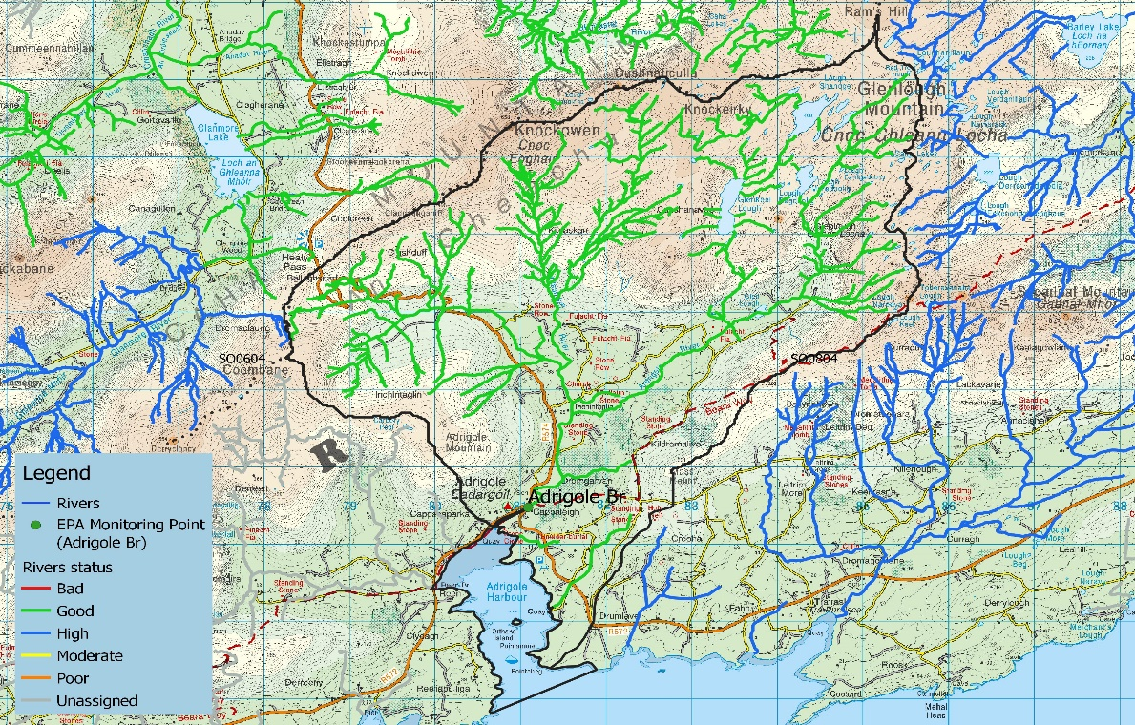

Map 2: Aerial view of referral area
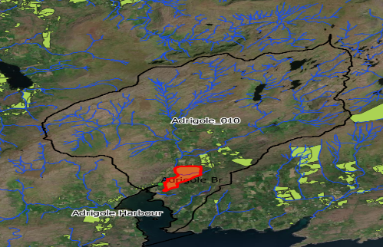

Photos
Photo 1: pH reading of water adjacent to foresty in Adrigole_10 ForestryprotectRFL01
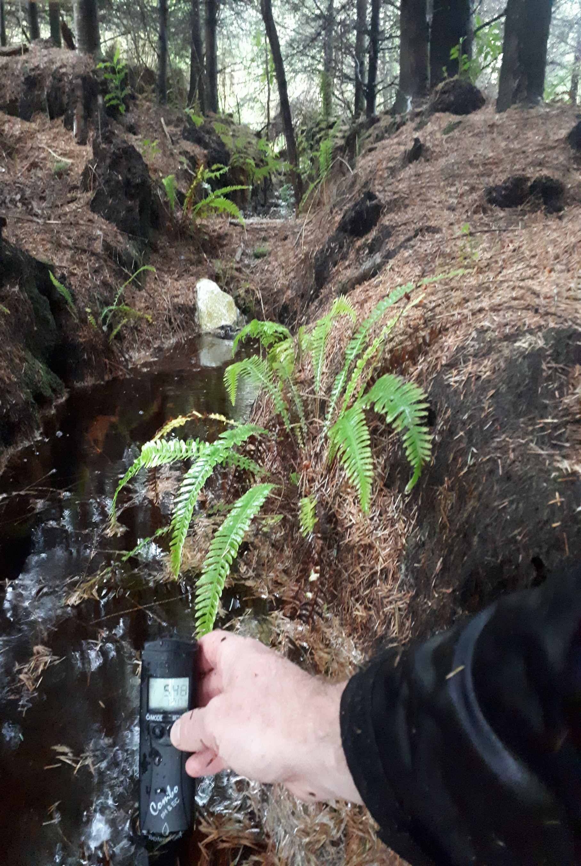

Photo 2: pH reading of water adjacent to foresty in Adrigole_10 ForestryprotectRFL01

