Annageera 10 Forestry Referral
WFD Referral Code | Protect referral (DRAFT) |  | Referral Date: | 2023-02-28
PAA name | Doolough and Annageeragh | Catchment Significant Pressures Description: The EPA initial characterisation identified forestry as the significant pressure on the waterbody. Altered habitat due to morphological changes is the significant pressure. Sediment is the signifuicant issue. Findings of the LAWPro 2021 local catchment assessments indicated that forestry is the sole significant pressure here but SSIS results showed no significant impact at the EPA monitoring point. In 2021, the EPA Q value at the monitoring point improved to Q4 from Q3-4 in 2018. Annageeragh 10 has recovered to Good Status. This protect referral is being issued to highlight additional mitigation measures that may be needed in advance of future felling to minimise risk of sediment loss to the river.
Waterbody Code | IE_SH_28A020010
Waterbody Name | Annageeragh_010

Referral point | Annageeragh _010_Referral_01 | Description of Referral Area Main channel and unmapped pathways (forestry drains) above the WFD monitoring point 'Br u/s Doo Lough '
Forestry (Owner)

FOR WFD APP: |  |  | For Forestry Service
These are mandatory fields in the WFD APP |  |  | Significant issue (s) | Sediment
Pressure Category* | Forestry | Existing | for this referral
Pressure Sub category* | Clearfelling | Existing
 |  |  | Pathway (s) | Overland Flow
 |  |  |  | Direct drains from forestry
Pressure Type* (Associated pressure(s)) | Surface runoff during felling
 |  |  | Pathway subcategory(s)

 |  |  | Main Crop type(s) where known | Sitka spruce

Evidence to Support Significant Issue (s)
Visual

Supporting Information
Photo 1
Maps 1 to 4
Referral Significant Issue (s) Description
Sediment is the significant issue impacting on water quality in Annageeragh_010 which deteriorated from Good status to Moderate in 2006.
SSIS carried out at 'Br u/s Doo Lough' EPA WFD monitoring point (Map 1 Site 1) in June 2021 showed that the site was not significantly impacted.
The Q4 rating obtained in 2021 by the EPA at 'Br u/s Doo Lough' shows that recovery from Moderate to Good status has taken place.
Chemistry sampling for nutrients (Ortho-P, NH4-N and NO3) was carried out by LAWPro in April and July of 2021. All values were below the EQS.
There is potential for further sediment loss during future forestry operations here, especially considering the extent of forestry in the catchment and the presence of streams/draining connecting afforested areas to the Annageeragh river. Additional mitigation measures need to be put in place in advance of future felling to minimise the risk of sediment loss to the river.
Forestry measures are outside the remit of LAWPRO. However, some general suggestions are outlined below.
Pressures from future forestry activity (particularly clear-felling) as well as the current impacts must be seriously considered especially with the extent of forestry coverage across the sub-basin. Acidification buffering capacity has also decreased over recent years and must be considered with regard to the management of forestry here.

Proposed Measures
Measure category | Description |  | Comments
Source Control | Awareness/education of contractors re water quality risks associated with felling.
Mobilisation Control
Pathway Interception | Install silt traps, leaky dams or other sediment control measures as considered appropriate by the Forest Service |  | Need to break the pathways delivering sediment to the river. Unmapped drains/channels connecting the forested areas to the river should be identified (and mapped) prior to further felling so that measures can be implemented. Legacy forestry is an issue in this catchment. Future felling events need mitigation measures put in place to minimise risk of sediment loss to the river.
 | Ensure adequate buffer zones are in place

Photograph
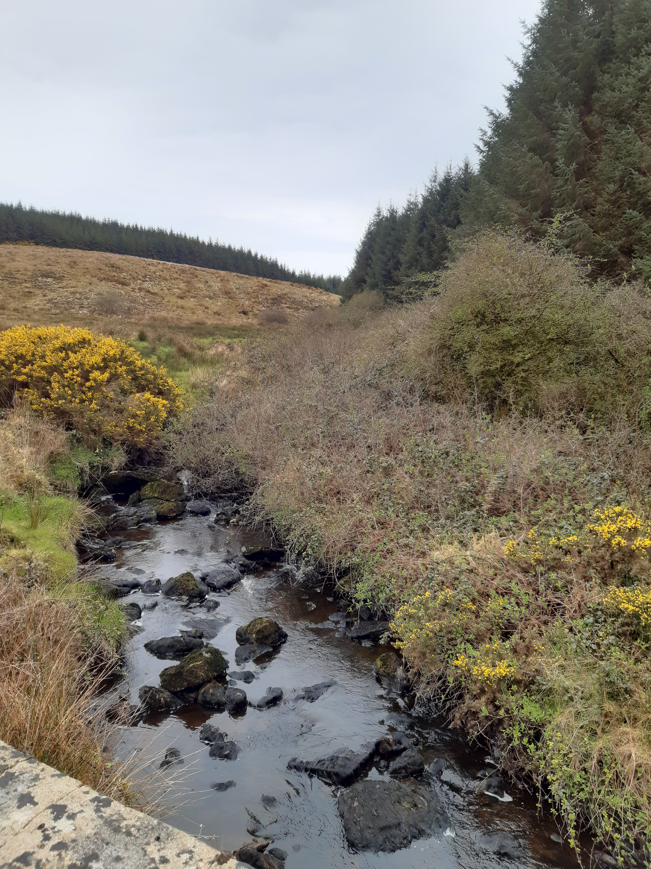

Photo 1: | Annageeragh_010 'Br u/s Doo Lough' taken on 19/04/2021

Maps
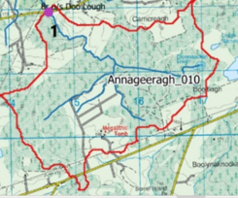

Map 1 : Annageeragh_010 Site 1 'Br u/s Doo Lough'

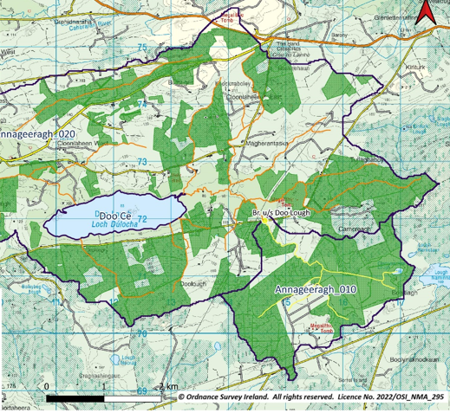

Map 2: Forestry map

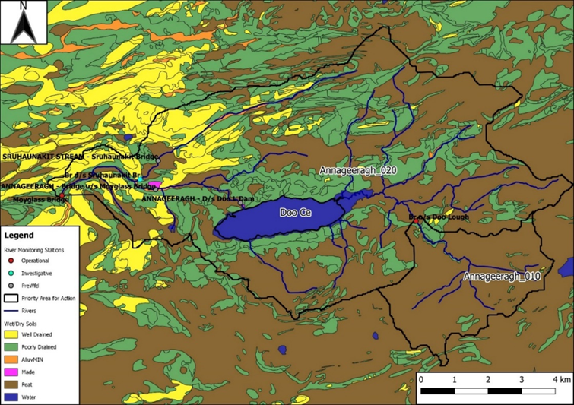

Map 3: Soils
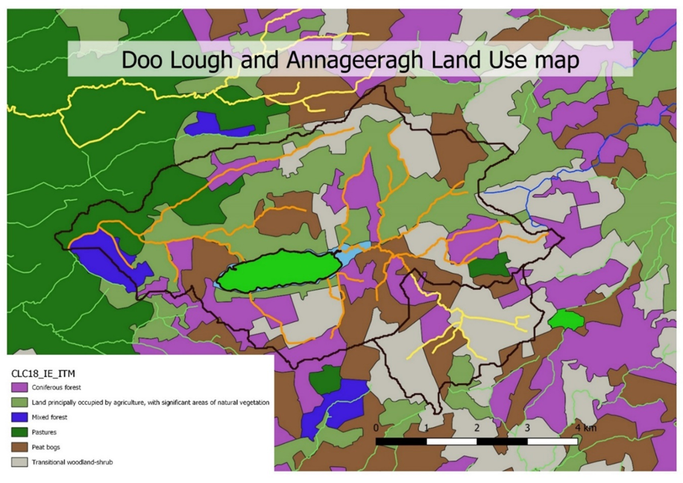

Map 4: Landuse

Chemistry Results
SITE ID | Date | Time | Assessors | Temp°C | DO (%) | DO (mg/l) | pH | Cond. (µS) | Ammonia (mg/l) | TP (mg/l) | MRP (mg/l) | Iron (µg/l) | Aluminium(µg/l) | Comments
1 | 2021-07-15 | 12:27:00 | TD/PB | 17.3 | 100 | 9.63 | 8.08 | 69 | 0.021 | 0.079 | <0.025 | 3383 | 191 | clear, good flow

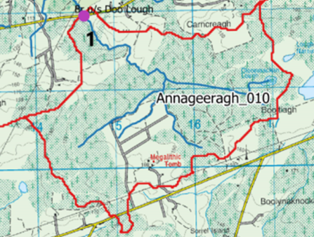

Map of site locations for chemistry sampling on 07/10/2019

