Foherish 020 Forestry
WFD Referral Code | Foherish_020_RFL01 (Protect referral) |  | Referral Date: | 2023-07-21
PAA name | Keel Foherish | Catchment Significant Pressures Description: Forestry and anthropogenic pressures (windfarm development) were identified as the significant pressures in the initial characterisation in Foherish_020 driving the 2011-2014 deterioration here. The desk study indicated that nutrients are not currently an issue although results may have been elevated in the past, possibly associated with elevated sediment. The significant issue identified from the desk study was likely to be sediment, but associated nutrients might have been an issue. Sediment is likely be the significant issue which drove the 2011 deterioration in this waterbody, from biologists’ observations at the time. There are two WFD monitoring stations on the waterbody: Foherish Bridge which is located approximately 250m upstream of the confluence with Keel_010 and Foherish-W of Caherbirrane, located close to the waterbody outlet. Water quality at the upstream station (Foherish Bridge) has been consistently high biological status but the downstream station (Foherish-W of Caherbirrane) deteriorated from Q4/5 (high) in 2008 to Q4 (good) biological status in 2011. Sediment loss to the waterbody may have arisen due to forestry activities in Keel_010 or Foherish_020. Windfarm construction may also have contributed to sediment loss to Foherish_020. It returned back to high status (Q4/5) at the monitoring station (Br. W of Caherbirrane, RS19F020300) in 2017 so it was meeting its high status objective in terms of biology. Hydromorphology was driving the overall Good ecological status at both monitoring in Foherish_20 in 2017. The 2017 RHAT assessment for both monitoring points highlighted either poor/moderate for bank vegetation and riparian land cover. The hydromorphological issues appeared to be related to agricultural land use. However, these features improved in the 2020 survey and the overall hydromorphology status was High. Protect referrals will be issued to the ASSAP adviser.
Waterbody Code | IE_SW_19F020300
Waterbody Name | Foherish_020

Referral point |  | Description of Referral Area: Forestry in the Foherish_020 Waterbody above monitoring point 'Foherish-W of Caherbirrane '
Forestry (Owner) | Coillte

FOR WFD APP: |  |  | For ASSAP
These are mandatory fields in the WFD APP |  |  | Significant issue (s) | Sediment
Pressure Category* | Forestry | Existing | for this referral
Pressure Sub category* | Clearfelling | Existing
 |  |  | Pathway (s) | Overland Flow
 |  |  |  | Direct drains from forestry
Pressure Type* (Associated pressure(s)) | Surface runoff during felling
 |  |  | Pathway subcategory (s)

 |  |  | Main Crop type(s) where known | Sitka spruce

Evidence to Support Significant Issue (s)
EPA Biologist Notes

Supporting Information
Map 1
Figures 1 and 2
Referral Significant Issue (s) Description
Sediment/ hydromorphological conditions were the main issue of concern affecting the Foherish_020 operational monitoring station based on the initial characterisation and the desk study. Our investigations have confirmed that while there were sediment/ hydromorphological conditions impacts in the recent past, sediment/ hydromorphological conditions did not appear to be causing significant issues at both monitoring stations.
Chemistry is not monitored at the monitoring station for WFD, but six monitoring rounds were undertaken in 2019 and 2020 at Foherish Bridge. Results indicated that nutrients were not an issue at this location. No data was available for the downstream station ‘Foherish-W of Caherbirrane’ where the 2011- 2014 water quality deterioration occurred. Biologists noted moderate siltation at Foherish-W of Caherbirrane in 2014, suggesting that sediment was the significant issue driving the status deterioration. The EPA biologists’ noted moderate siltation at Foherish-W of Caherbirrane (RS19F020300) in 2014 and to a lesser extent in 2017, which indicated that sediment was the significant issue causing the deterioration here in 2011. This sediment issue is likely to have arisen from forestry activities in Keel_010 or Foherish_020 and/or from the windfarm development. There was evidence from aerial photography of felling in the catchment at the time.
This impact suggests there were insufficient protective measures in place when clear felling was undertaken. Additional mitigation options should be implemented to ensure there are no new forestry felling impacts are carried out appropriately to minimise risk of future sediment loss to the river. This will be essential during those operations to ensure that this high-status objective waterbody (Foherish_020) is no longer at risk.
A protect referral will be issued to the Forest Service to ensure that this waterbody’s status does not deteriorate again in future due to forestry activities. Additional mitigation measures need to be put in place in advance of future felling to minimise risk of sediment loss to the river. Forestry measures are outside the remit of LAWPRO. However, some general suggestions are outlined below.

Proposed Agricultural Measures
Measure catagory | Description |  | Comments
Source Control
Mobilisation Control
Pathway Interception | Install silt traps |  | Breaking the direct pathway of pollutants
 | Ensure that appropriate use of machinery and correct timing of operations is done by contractors
 | Ensure adequate buffer zones are in place
 | Install silt fencing
 | Install soil and log dams
 | Establish settlement areas
 | Install in-stream straw bales

Q Value results
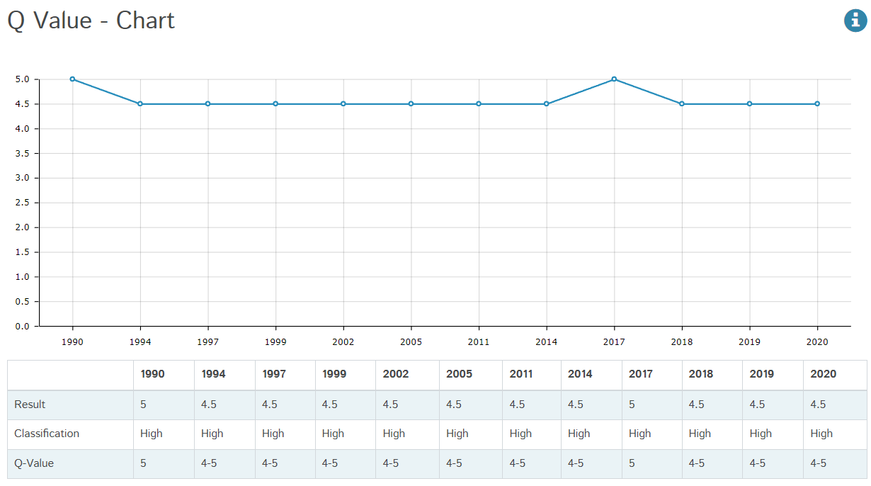

Figure 1: Q value results, at Foherish – Foherish Br, RS19F020200, Foherish _020 from 1990 to 2020
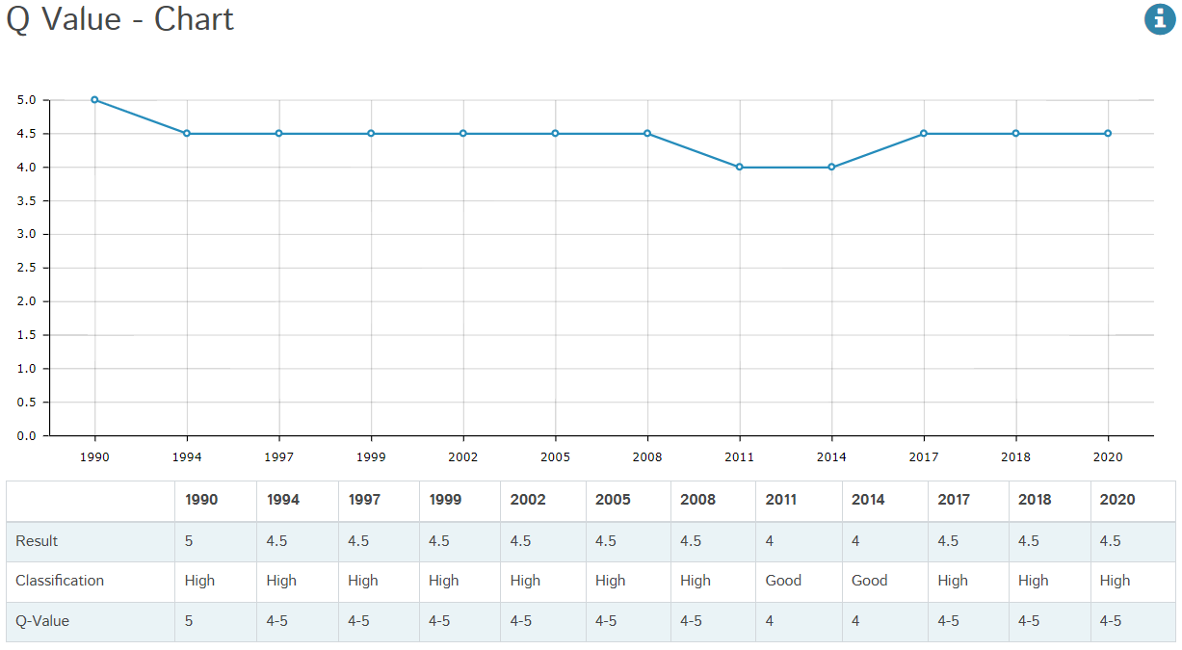

Figure 2: Q value results, at Foherish – W of Caherbirrane, RS19F020300, Foherish _020 from 1990 to 2020

Maps
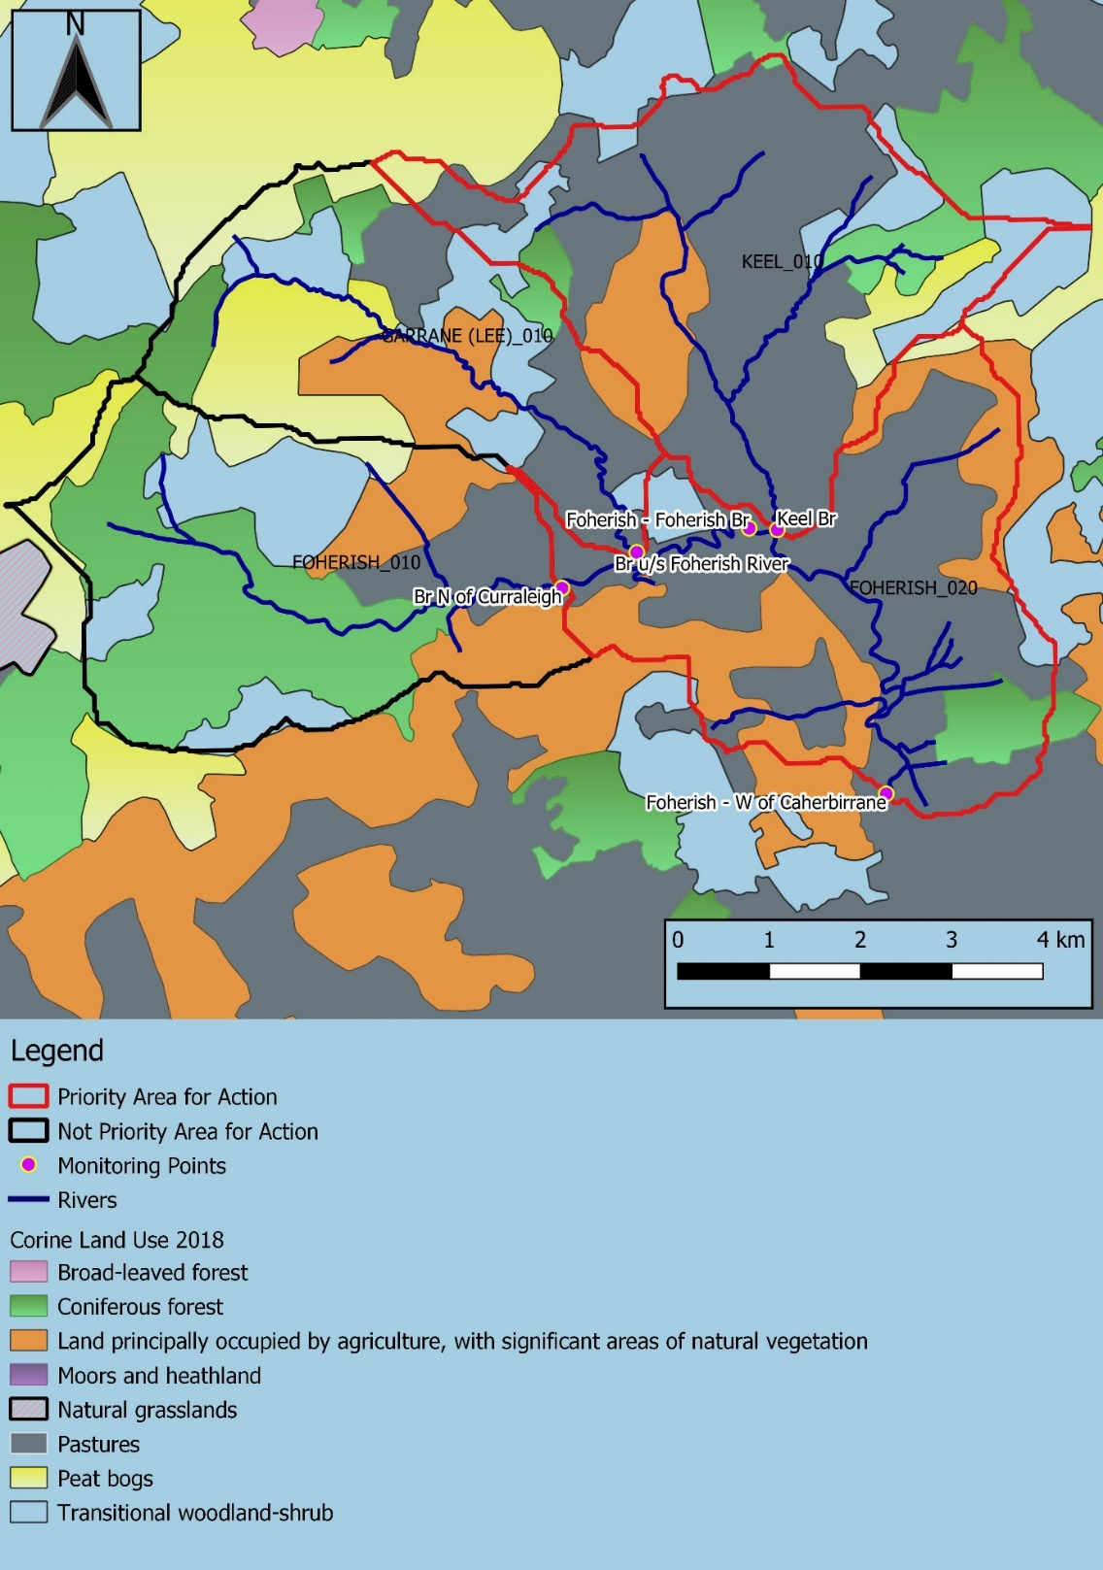

Map 1: | Land use map in the Keel Foherish PAA

