Clooneigh_020_RFL04_Protect
WFD Referral Code | Clooneigh_020_RFL04_Forestry_protect |  | Referral Date: | 2023-05-26
PAA name | Clooneigh PAA | Catchment Significant Pressures Description: Agriculture has been confirmed as a significant pressure on the Clooneigh_020 waterbody with sediment and nutrients (ammonium and ortho-phosphate) as the significant issues. Sediment is as a result of land drainage maintenance on peaty and poorly drained soils, river channel maintenance by landowners, animal access and natural sediment accumulation in the river channel. However, forestry operation could pose a threat to water quality particularly through increased sediment. Consideration of the Forest Protect Referral Guidance agreed between the Forest Service and LAWPRO indicates that a protect referral is appropriate here. This protect referral is based on evidence of enhanced risk posed by forestry operations due to narrow buffers and drains which appear to pass through the buffer (see photo). This Protect Referral is issued to highlight additional mitigation measures may be needed in advance of future anticipated felling to minimise risk of sediment loss to the river.
Waterbody Code | IE_SH_26C060200
Waterbody Name | Clooneigh_020

Referral point | EPA Operational Monitoring Station | Description of Referral Area The referral area relates to a stretch of the waterbody upstream of the EPA Operational Monitoring Station where private forestry adjacent to the waterbody has recently been approved for felling (please see Map 1). This protect referral is based on evidence of enhanced risk from connectivity from forest drains through riparian margins leading to the Clooneigh_020 river.
Forestry (Owner) | Private

FOR WFD APP: |  |  | For Forestry Service
These are mandatory fields in the WFD APP |  |  | Significant issue (s) | Sediment
Pressure Category* | Forestry | Existing | for this referral
Pressure Sub category* | Clearfelling | Existing
 |  |  | Pathway (s) | Overland Flow
 |  |  |  | Direct drains from forestry
Pressure Type* (Associated pressure(s)) | Surface runoff during felling
 |  |  | Pathway subcategory(s)

 |  |  | Main Crop type(s) where known | Sitka spruce

Evidence to Support Significant Issue (s)
Visual

Supporting Information
Photos 1A to 1C
Map 1
Figure 1
Referral Significant Issue (s) Description
There is potential for sediment mobilisation from future forestry operations given the location of the EPA Monitoring Station and the peat and poorly drained soils in the area which are prone to water logging in inclement weather.
The presence of drains may also act as a direct pathway to the Clooneigh_020 river without passing through a buffer zone (see photo 1c). Additional mitigation measures need to be put in place in advance of future felling to minimise the risk of sediment loss to the river.
The Clooneigh PAA is part of a Teagasc Proof of Concept Programme which will showcase the collaboration work between LAWPRO and ASSAP and measure the effectiveness of the approach and whether it is achieving its outcomes. The results of this programme is being reported to both the Department of Agriculture and Department of Housing, Planning and Local Government, therefore it is a very visual PAA.

Forestry Referral Flow Chart
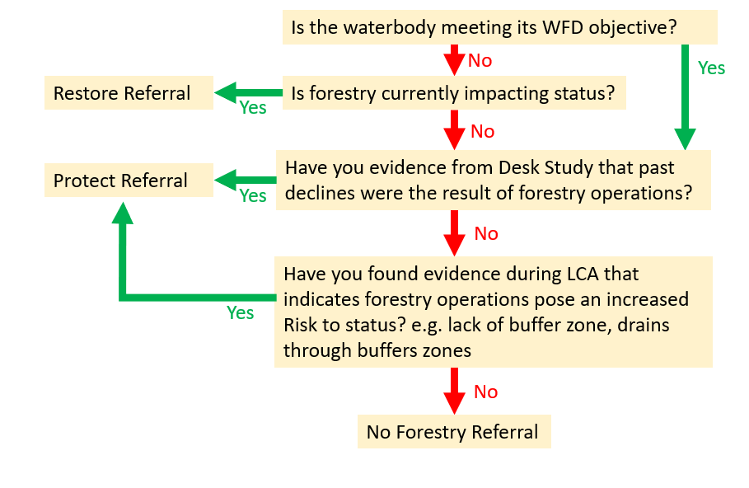

Maps
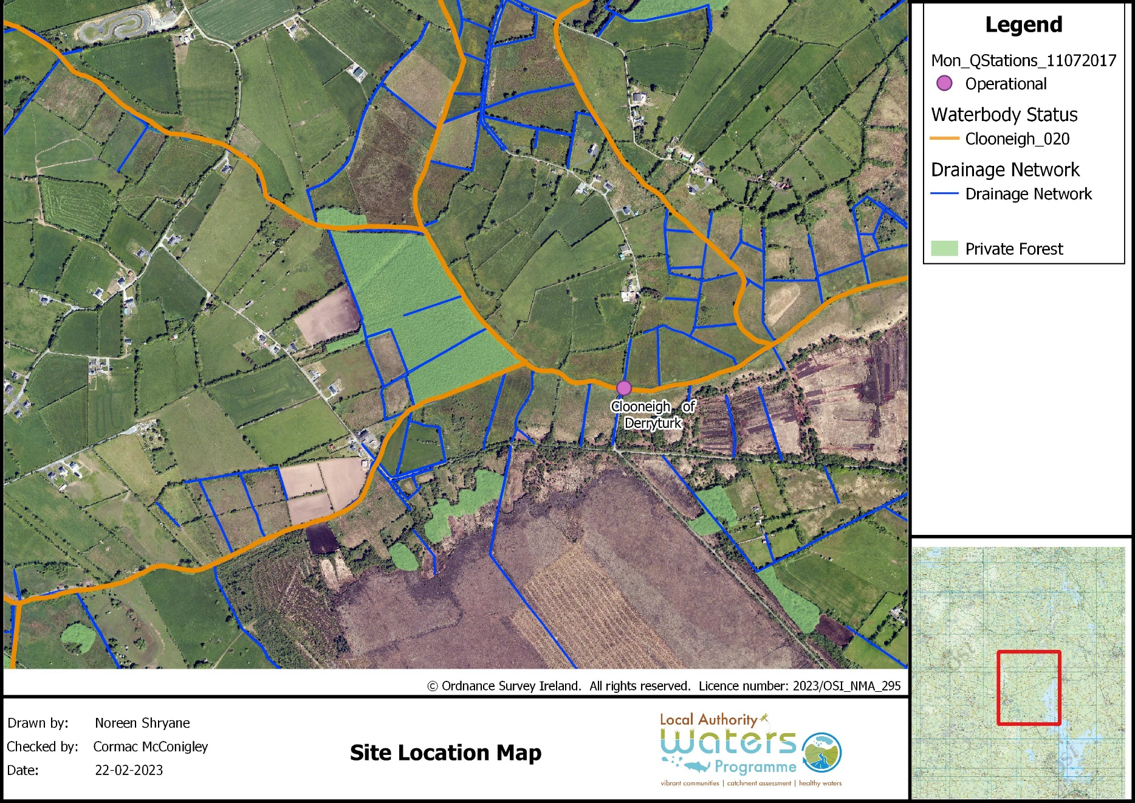

Map 1: Site Location Map

Photographs
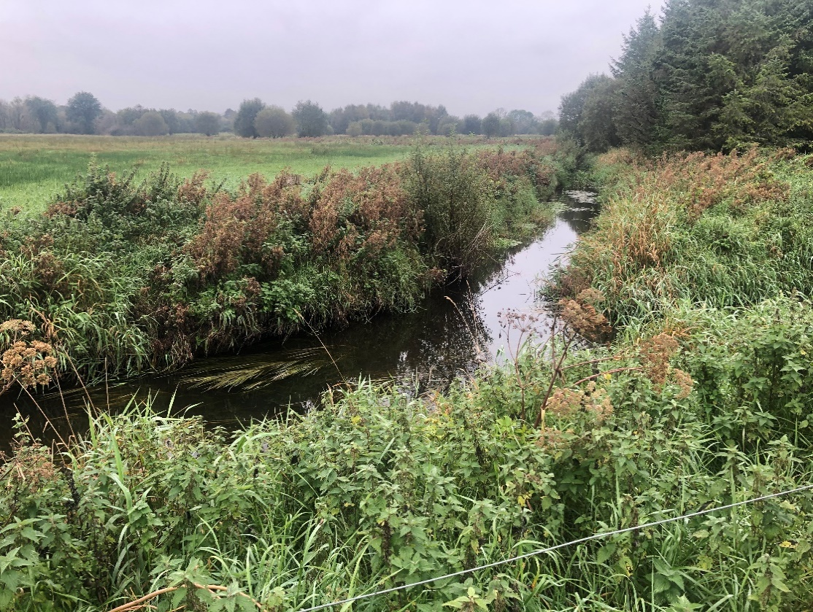
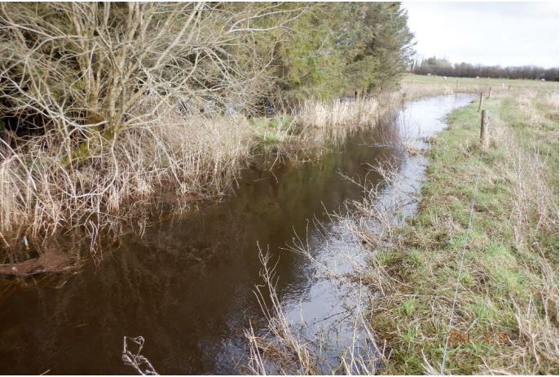
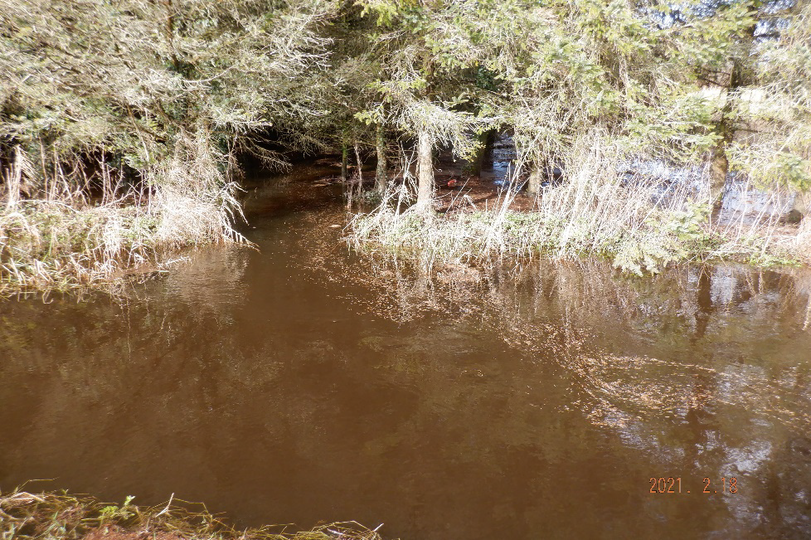

1B
1A

Photo 1A: 270m upstream of EPA Operational Monitoring Station showing lack of sufficient riparian margin between forestry and WFD stream (September 2020) | Photo 1B: Aquatic Zone along the Clooneigh_020 River indicating a narrow buffer with trees over hanging the river (Source: Roscommon County Council Correspondance document dated 19/02/2021) | Photo 1C: Evidence of connection of drains from forest through the Riparian Buffer along the Clooneigh_020 River.Note needles in flow (Source: Roscommon County Council Correspondance document dated 19/02/2021)

Forestry details
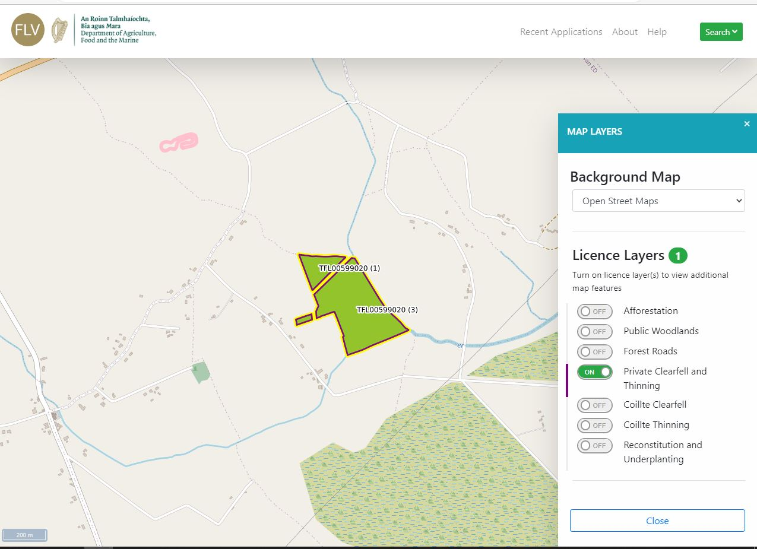

Figure 1: Forestry licence viewer details upstream of EPA Operational Monitoring Station within the Clooneigh_020 waterbody (Source - https://forestry-maps.apps.rhos.agriculture.gov.ie/)

