Keel 010 Forestry
WFD Referral Code | Keel_010_RFL01(Protect referral) |  | Referral Date: | 2023-07-21
PAA name | Keel Foherish | Catchment Significant Pressures Description: Forestry and anthropogenic pressures (windfarm development) were identified as the significant pressures in the initial characterisation in Keel_010 driving the 2011-2014 deterioration here. The desk study indicated that nutrients are not currently an issue although results may have been elevated in the past, possibly associated with elevated sediment. The significant issue identified from the desk study was likely to be sediment, but associated nutrients might have been an issue. Sediment was likely be the significant issue which drove the 2011 deterioration in this waterbody, from biologists’ observations at the time. Water quality in Keel_010 deteriorated from good (Q4) in 2008 to poor (Q3) status in 2011-2014. Sediment loss from forestry (clearfelling) and/or the road construction activities associated with the windfarm may have been responsible for the 2011 deterioration in this waterbody.
Waterbody Code | IE_SW_19K020200
Waterbody Name | Keel_010

Referral point |  | Description of Referral Area: Forestry in the Keel_010 Waterbody above monitoring point 'Keel Br '
Forestry (Owner) | Coillte

FOR WFD APP: |  |  | For ASSAP
These are mandatory fields in the WFD APP |  |  | Significant issue (s) | Sediment
Pressure Category* | Forestry | Existing | for this referral
Pressure Sub category* | Clearfelling | Existing
 |  |  | Pathway (s) | Overland Flow
 |  |  |  | Direct drains from forestry
Pressure Type* (Associated pressure(s)) | Surface runoff during felling
 |  |  | Pathway subcategory (s)

 |  |  | Main Crop type(s) where known | Sitka spruce

Evidence to Support Significant Issue (s)
EPA Biologist Notes

Supporting Information
Map 1
Figure 1
Referral Significant Issue (s) DescriptionSediment was impacting on water quality in Keel_010 based on the initial characterisation and the desk study. Our investigations have confirmed that while there were sediment issues in the recent past, sediment/nutrients did not appear to be causing significant issues at the monitoring station.
Chemistry is not monitored at the monitoring station for WFD, but seven monitoring rounds were undertaken in 2019 and 2020. Results indicate that nutrients are not currently an issue here although results may have been elevated in the past, possibly associated with elevated sediment.
Q results for the operational monitoring point on Keel_010 deteriorated from good (Q4) in 2008 to poor (Q3) in 2011 to 2014. The EPA biologist noted that siltation issues in 2014 and to a lesser extent in 2017. Sediment loss from forestry (clearfelling) and/or the road construction activities associated with the windfarm may have been responsible for the 2011 deterioration in this waterbody. There was evidence from aerial photography of felling at the time This impact suggests there were insufficient protective measures in place when clear felling was undertaken. Additional mitigation options should be implemented to ensure there are no new forestry felling impacts are carried out appropriately to minimise risk of future sediment loss to the river. This will be essential during those operations to ensure that this waterbody is no longer at risk.
It was concluded from the LCA that any potential pressures in the waterbody are not currently having an impact on water quality. Protect referrals will be issued to the Forestry Service to ensure that the waterbody maintains good status. Additional mitigation measures need to be put in place in advance of future felling to minimise risk of sediment loss to the river. Forestry measures are outside the remit of LAWPRO. However, some general suggestions are outlined below.

Proposed Agricultural Measures
Measure catagory | Description |  | Comments
Source Control
Mobilisation Control
Pathway Interception | Install silt traps |  | Breaking the direct pathway of pollutants
 | Ensure that appropriate use of machinery and correct timing of operations is done by contractors
 | Ensure adequate buffer zones are in place
 | Install silt fencing
 | Install soil and log dams
 | Establish settlement areas
 | Install in-stream straw bales

Q Value results
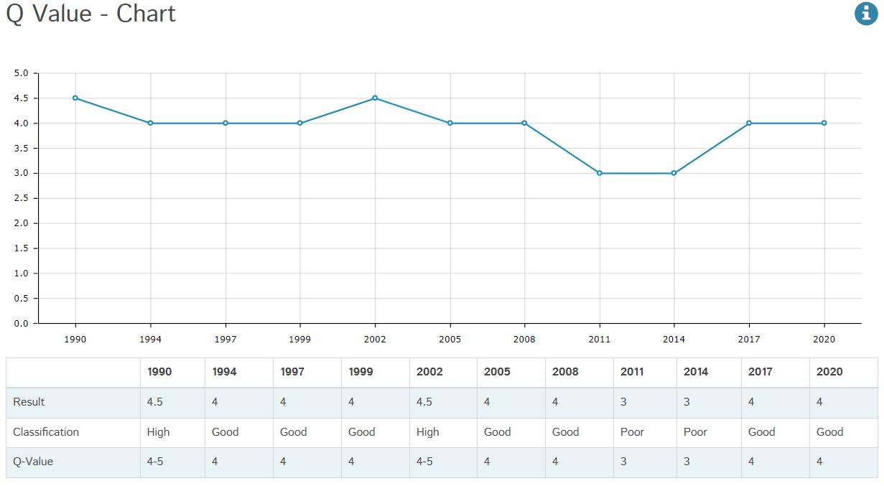

Figure 1: Q value results, at Keel Br, RS19K020200, Keel_010 from 1990 to 2020

Maps
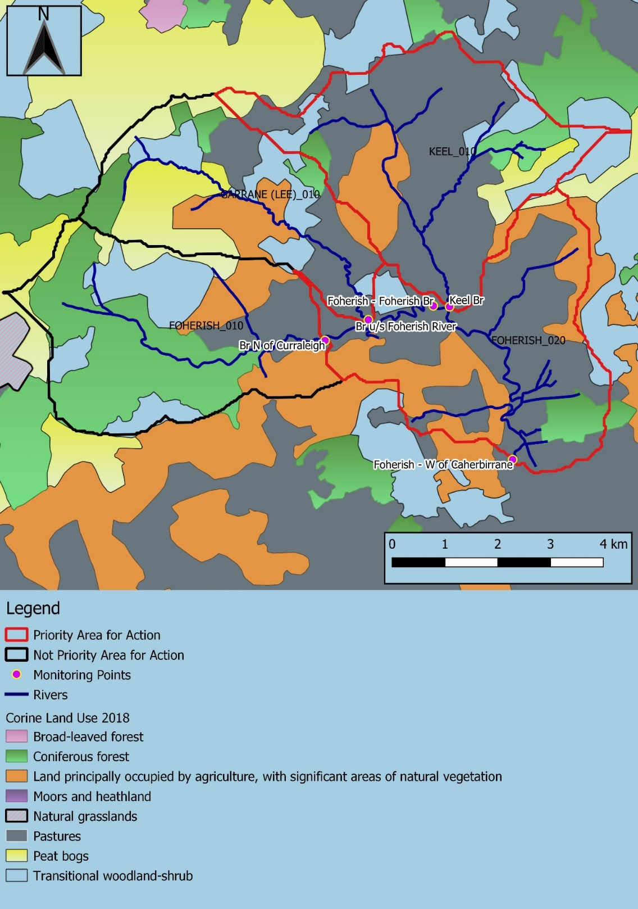

Map 1: | Land use map in the Keel Foherish PAA

