Ogeen 020 Forestry
WFD Referral Code | Ogeen_020_RFL01 (Protect referral) |  | Referral Date: | 2023-07-21
PAA name | Ogeen | Catchment Significant Pressures Description: Forestry (clearfelling) was identified as the sole significant pressure in the initial characterisation in Ogeen_020. The desk study indicated that nutrients are not currently an issue although levels may have been elevated in the past, possibly associated with elevated sediment. The significant issue identified from the desk study was likely to be sediment, but associated nutrients might have been an issue. Elevated sediment loss to the waterbody were likely to have arisen from multiple pressures but all involving forestry. Forestry (clearfelling), forestry damage resulting from Storm Darwin in February 2014 and/or to felling associated with windfarm construction may have contributed to the deterioration here. There is potential for sediment and nutrient loss during future forestry operations. A protect referral was necessary to the Forest Service in the DAFM with the aim of minimising water quality impacts from future forestry activity in the catchment. There was evidence of forestry activity coinciding with the deterioration which could be found from the aerial imagery. Water quality in Ogeen_020 deteriorated from high (Q4/5) in 2012 to moderate (Q3/4) in 2015 but had improved to Q4 (good) in 2018. 2019 and 2020 Q data indicates it has returned to high (Q4/5) status. Elevated sediment loss to the waterbody were likely to have arisen from multiple pressures but all involving forestry. Storm Darwin caused extensive damage to forestry in counties Limerick, Clare, Cork and Kerry in February 2014 with a total of 8000ha (+/-560ha) affected. A map of the affected areas was done by Coillte and indicates that the damage included the Ogeen catchment.
Waterbody Code | IE_SW_18O010400
Waterbody Name | Ogeen_020

Referral point |  | Description of Referral Area Forestry in the Ogeen_020 Waterbody above monitoring point 'Ballintlea Br '
Forestry (Owner) | Coillte

FOR WFD APP: |  |  | For ASSAP
These are mandatory fields in the WFD APP |  |  | Significant issue (s) | Sediment
Pressure Category* | Forestry | Existing | for this referral
Pressure Sub category* | Clearfelling | Existing
 |  |  | Pathway (s) | Overland Flow
 |  |  |  | Direct drains from forestry
Pressure Type* (Associated pressure(s)) | Surface runoff during felling
 |  |  | Pathway subcategory (s)

 |  |  | Main Crop type(s) where known | Sitka spruce

Evidence to Support Significant Issue (s)
EPA Biologist Notes 2015

Supporting Information
Map 1
Figure 1
Referral Significant Issue (s) Description Sediment was impacting on water quality in both waterbodies based on the initial characterisation and the desk study. Our investigations have confirmed that while there were sediment issues in the recent past, sediment/nutrients did not appear to be causing significant issues at the monitoring station.
Chemistry is not monitored at the monitoring station for WFD, but limited monitoring was undertaken in 2019 and 2020. Results indicate that nutrients are not currently an issue here although levels may have been elevated in the past, possibly associated with elevated sediment.
Ogeen_020 is not monitored for chemistry under WFD but limited monitoring was undertaken here in 2019 and 2020. Results indicate that nutrients are not currently an issue although levels may have been elevated in the past, possibly associated with elevated sediment.
Q results for the operational monitoring point on Ogeen_020 deteriorated from high (Q4/5) in 2012 to moderate in 2015. This impact is likely to have arisen mainly in Ogeen_020 (from multiple pressures but all involving forestry). Forestry (clearfelling), forestry damage resulting from Storm Darwin in February 2014 and/or to felling associated with windfarm construction may have contributed to the deterioration. There was evidence from aerial photography of felling in the PAA at the time. This impact suggests there were insufficient protective measures in place when clear felling was undertaken. Additional mitigation options should be implemented to ensure there are no new forestry felling impacts are carried out appropriately to minimise risk of future sediment loss to the river. This will be essential during those operations to protect this High-Status Objective waterbody. Considering the extent of forestry in the catchment and the presence of these streams connecting afforested areas to the Ogeen river, there is a future risk of sediment impact from forestry activities (felling/replanting).
It was concluded from the LCA that any other potential pressures in the waterbody are not currently having an impact on water quality in this waterbody. A protect referral will be issued to the Forestry Service to ensure that the waterbody maintains high status. Additional mitigation measures need to be put in place in advance of future felling to minimise risk of sediment loss to the river. Forestry measures are outside the remit of LAWPRO. However, some general suggestions are outlined below.

Proposed Agricultural Measures
Measure catagory | Description |  | Comments
Source Control
Mobilisation Control
Pathway Interception | Install silt traps |  | Breaking the direct pathway of pollutants
 | Ensure that appropriate use of machinery and correct timing of operations is done by contractors
 | Ensure adequate buffer zones are in place
 | Install silt fencing
 | Install soil and log dams
 | Establish settlement areas
 | Install in-stream straw bales

Q Value results
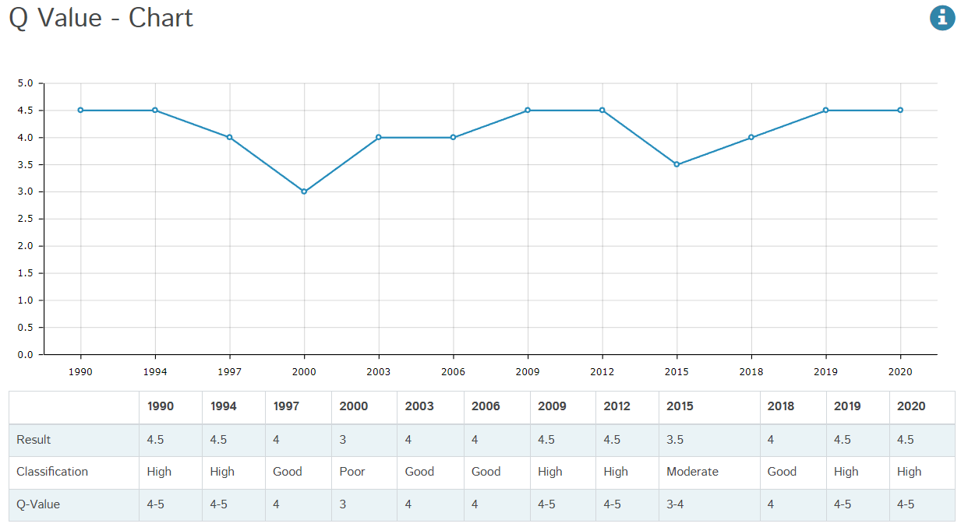

Figure 1: Q value results, at Ogeen_020, Labbavacun Br, RS18O010400 from 1990 to 2020

Maps
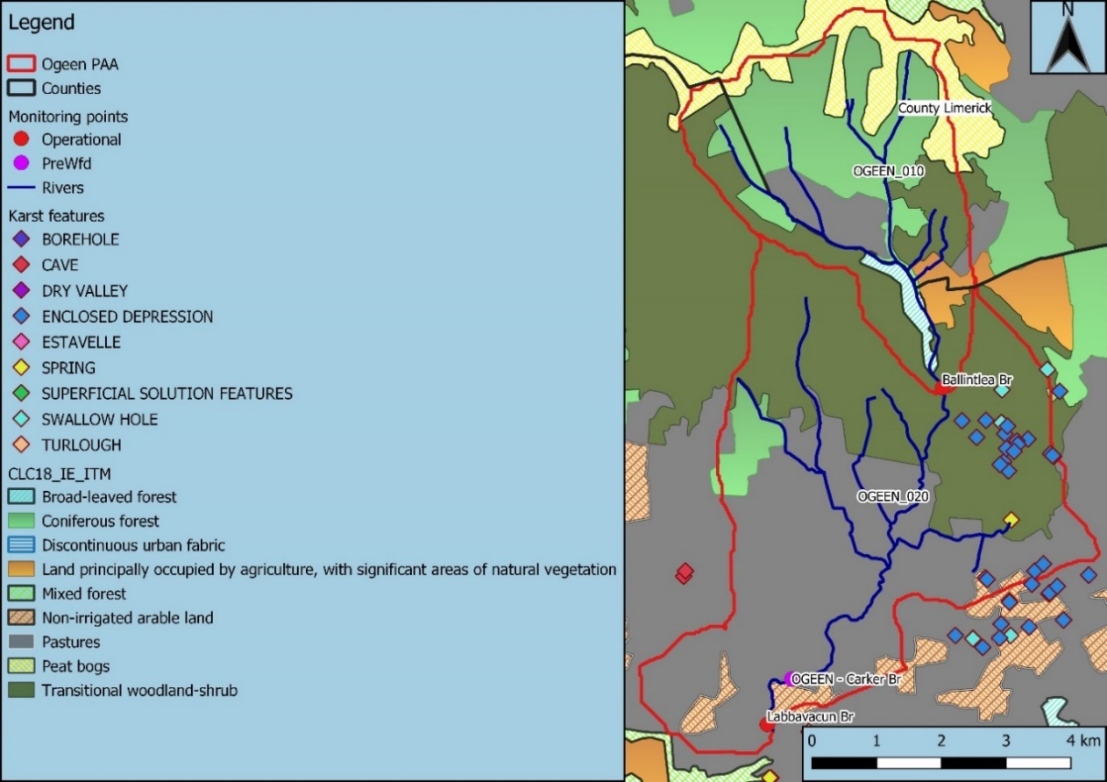

Map 1: | Land use map in the Ogeen PAA

