Bleach 10 Forestry Referral
WFD Referral Code | Protect referral (DRAFT) |  | Referral Date: | 2021-12-13
PAA name | Bleach & Lough Graney | Catchment Significant Pressures Description: The EPA initial characterisation identified forestry as the significant pressure on the waterbody. Sediment is the significant issue. Findings of LAWPRO 2019 stream walk assessments indicate that forestry is the sole significant sediment pressure here but SSIS results showed no significant impact at the EPA monitoring point. In March 2020, Conservation Services, an ecological consultancy, was commissioned by LAWPRO to carry out Q ratings at the EPA monitoring point. The Q-rating obtained was Q4-5. This indicates that Bleach 10 has recovered to at least Good Status. This protect referral is being issued to highlight additional mitigation measures that may be needed in advance of future felling to minimise risk of sediment loss to the river.
Waterbody Code | IE_SH_25B070100
Waterbody Name | Bleach_010

Referral point | Bleach _010_Referral_01 | Description of Referral Area Main channel and unmapped pathways (forestry drains) above the WFD monitoring point 'Corlea Br.'
Forestry (Owner) | Coillte

FOR WFD APP: |  |  | For Forestry Service
These are mandatory fields in the WFD APP |  |  | Significant issue (s) | Sediment
Pressure Category* | Forestry | Existing | for this referral
Pressure Sub category* | Clearfelling | Existing
 |  |  | Pathway (s) | Overland Flow
 |  |  |  | Direct drains from forestry
Pressure Type* (Associated pressure(s)) | Surface runoff during felling
 |  |  | Pathway subcategory(s)

 |  |  | Main Crop type(s) where known | Sitka spruce

Evidence to Support Significant Issue (s)
Visual

Supporting Information
Photos 1 to 5
Maps 1 to 5
Referral Significant Issue (s) Description
Sediment is the significant issue impacting on water quality in Bleach_010 which deteriorated from Good status in 2012 to Poor in 2014.
SSIS carried out at Corlea Bridge EPA WFD monitoring point (Site 1) in September 2019 showed that the site was not significantly impacted.
A stream walk was also carried out in September 2019 by members of LAWPRPO, the Forest Service and Clare County Council to identify whether pathways exist between forested areas and the river/its tributaries and to look for evidence of sediment impact upstream of the WFD monitoring point at Corlea Bridge. There were a number of forest-related issues identified. There appeared to be clearfelling right up to the edge of the watercourse (photograph 1). Also, there were little to no sediment mitigation measures visible. Brash was observed lying right up to the watercourse (photograph 2 and 3). Field observations indicate that sediment impact was associated with surface runoff during and following felling. Drains and streams were observed in felled areas which would have provided patways for sediment delivery to the river during felling (see two examples in photographs 4 and 5) .
The Q rating obtained in March 2020 by Conservation Services (Ecology consultant) was satisfactory (Q4-5) at the EPA WFD monitoring point (Site 1) which indicates that recovery has taken place.
Chemistry sampling for nutrients (Ortho-P, NH4-N and NO3) was carried out by LAWPRO in July 2020. All values were below the EQS.
There is potential for further sediment loss during future forestry operations here, especially considering the extent of forestry in the catchment and the presence of streams/draining connecting afforested areas to the Bleach river. Furthermore, the receiving waterbody, Bleach-020, is a high status objective waterbody. Additional mitigation measures need to be put in place in advance of future felling to minimise the risk of sediment loss to the river. Forestry measures are outside the remit of LAWPRO. However, some general suggestions are outlined below.

Proposed Measures
Measure category | Description |  | Comments
Source Control | Awareness/education of contractors re water quality risks associated with felling.
Mobilisation Control
Pathway Interception | Install silt traps, leaky dams or other sediment control measures as considered appropriate by the Forest Service |  | Need to break the pathways delivering sediment to the river. Unmapped drains/channels connecting the forested areas to the river should be identified (and mapped) prior to further felling so that measures can be implemented. Legacy forestry is an issue in this catchment. Future felling events need mitigation measures put in place to minimise risk of sediment loss to the river.
 | Ensure adequate buffer zones are in place

Photographs
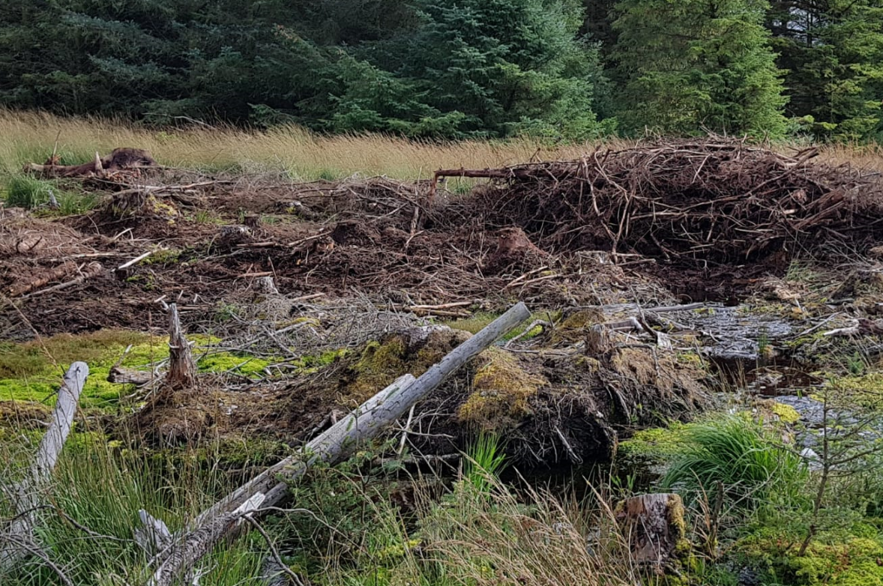

Photo 1: | Photograph of clearfelling work carried out in Bleach_010, September ‎2019

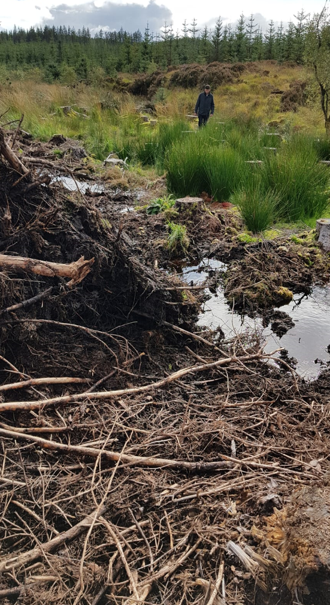

Photo 2: | Photograph of clearfelling work carried out in Bleach_010, September ‎2019

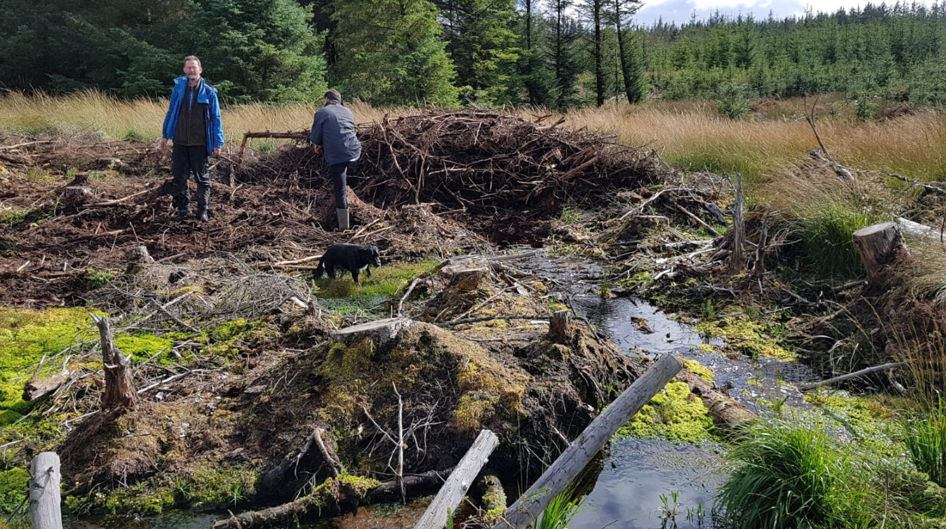

Photo 3: | Photograph of clearfelling work carried out in Bleach_010, September ‎2019

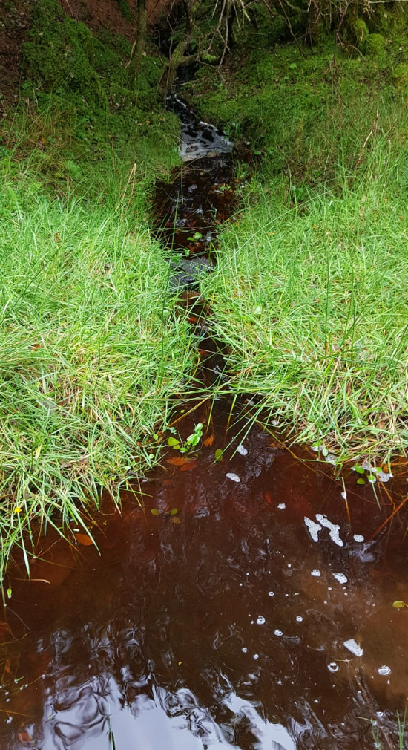

Photo 4: | Photograph of a direct discharge from a forestry drain to Bleach_010, September 2019

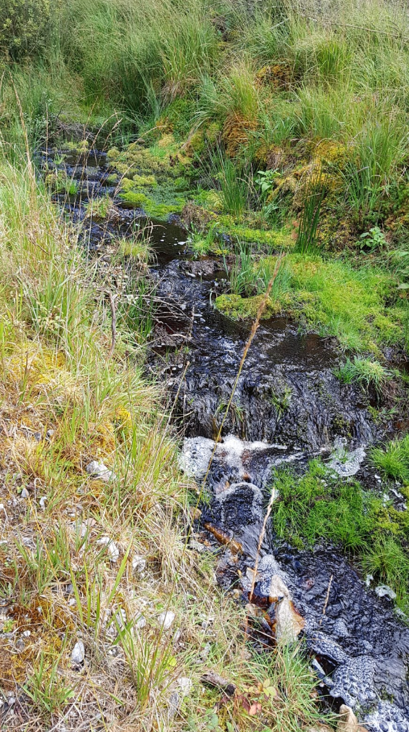

Photo 5: | Photograph of overland flow from forestry to Bleach_010, September 2019

Maps
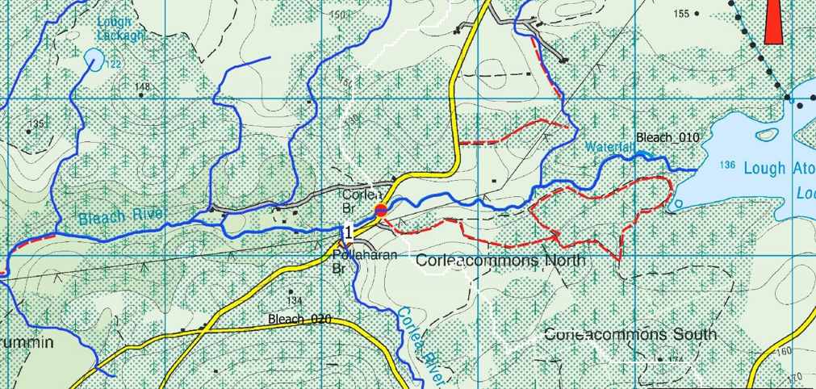

Map 1: Site locations, Bleach_010. Site 1 is where SSIS & Q rating were carried out. Red lines show the location of stream walks undertaken.
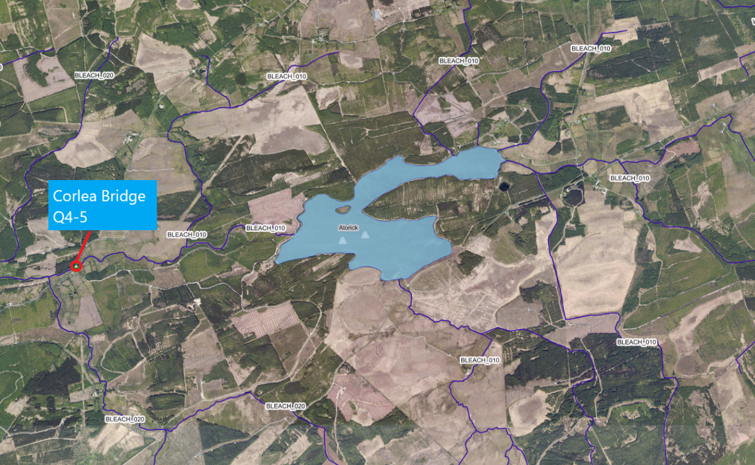

Map 2: Q-rating, March 2020

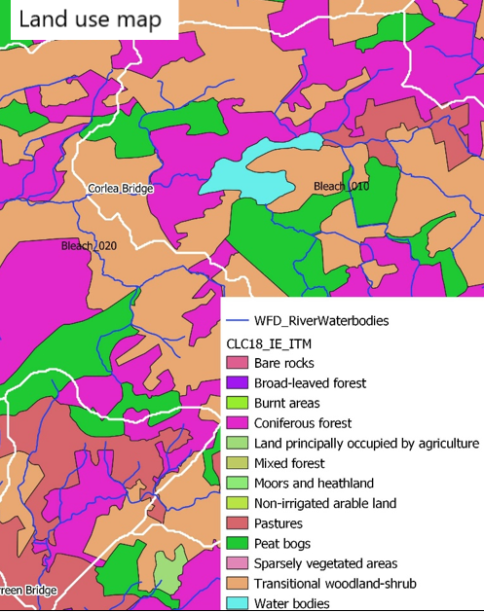

Map 3: Land use Map, Bleach_010

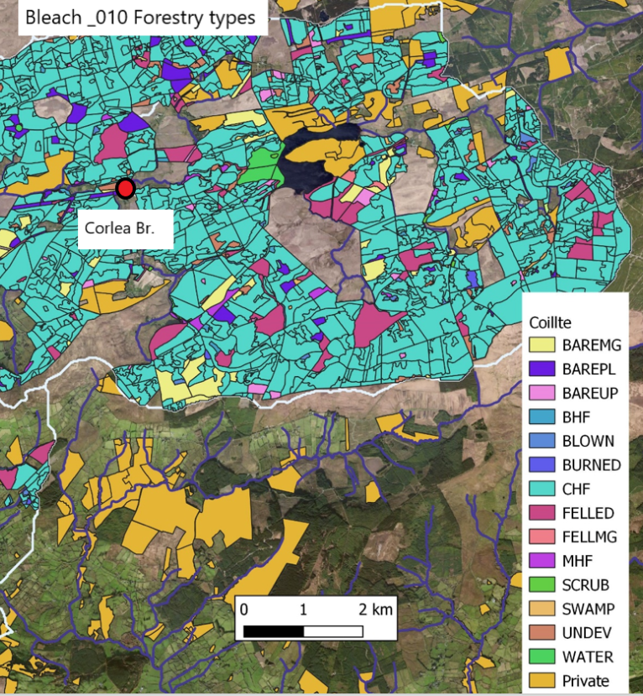

Map 4: Forestry Types, Bleach_010

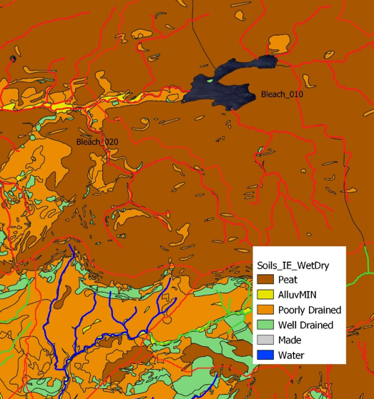

Map 5: Wet/Dry Soils

