Lingaun_010_RFL04_protect
WFD Referral Code |  |  | Referral Date: | 2025-01-14
LAWPRO Referral Number | Lingaun_010_RFL04_Forestry_Protect | Catchment Significant Pressures and Issues Description: The significant issues identified for the Lingaun_010 were phosphate and sediment with forestry identified as a significant pressure for the third cycle. This waterbody deteriorated to moderate status in 2013-2018. EPA biological assessment at the monitoring point in 2020 recorded a Q Value of 3-4* (* siltation impact). As the waterbody has a high status objective, it is very sensitive to low levels of inputs, and therefore all risks to water quality will be referred where identified. This protect referral is being issued to highlight issues around felling that may be needed in future to minimise risk of sediment loss to the river.
PAA name | Lingaun
Waterbody Code | IE_SE_16L010050

High Status Objective Waterbody | Yes | Description of Referral Area: The referral area relates to the forested areas in the Lingaun_010 waterbody.
Referral point | 16L010050_0100
Referral point Co-ordinates | E234121 N132344
Forestry (Owner) | Private Coillte

FOR WFD APP: |  |  | For Forestry Service
These are mandatory fields in the WFD APP |  |  | Significant issue (s) | Sediment
Pressure Category* | Forestry | Existing | for this referral
Pressure Sub category* | Clearfelling | Existing
 |  |  | Pathway (s) | Overland Flow
 |  |  |  | Direct drains from forestry
Pressure Type* (Associated pressure(s)) | Surface runoff during felling
 |  |  | Pathway subcategory(s)

 |  |  | Main Crop type(s) where known | Sitka Spruce

Evidence to Support Significant Issue (s)
Visual | Biology
√ | √
Supporting Information
Photos 1 to 4 | Maps 1 & 2 |  | Table 1

Referral Significant Issue (s) Description
SSIS was undertaken at EPA operational station: Br u/s Whitehall Br (RS16L010050) in July 2023. The site was found to be Probably not Significantly Impacted with a score of 8. However, tolerant taxa were present in excessive numbers and the site was not considered to be meeting high status requirements. Moderate to high levels of interstitial sediment were also noted. Chemistry sampling in August 2023 and January 2024 did not show any exceedances of the EQS thresholds.
A catchment walk was undertaken in August 2023 in the clearfelled area 2 km upstream from Br u/s Whitehall Br. It was found that buffers had been maintained in some areas but absent in other areas with clearfelling occurring right up to the river bank. In-drain sediment screens were in use in the clearfelled area but some were operating more effectively than others. Some were found to have disintegrated while others were likely to be bypassed in high flow situations. One sediment screen had been erected in a tributary of the waterbody.
While LCA undertaken within this waterbody demonstrates impact and biology not considered to meet certain high status criteria, it is important to mention that this forestry protect referral relates to observations on the ground showing enhanced risk from the failure of sediment screens in forestry drains and clear felling on the river bank.
Recommendation: protection measures will be required around future clearfelling to ensure that silt trapping measures are effective (ensure proper maintenance during and after clearfelling activities). There is also a need to establish proper setbacks (restructuring of the forest) for future planting activities. It is important to highlight the high status objective and therefore high sensitivity of this waterbody within future clearfelling applications.

Maps
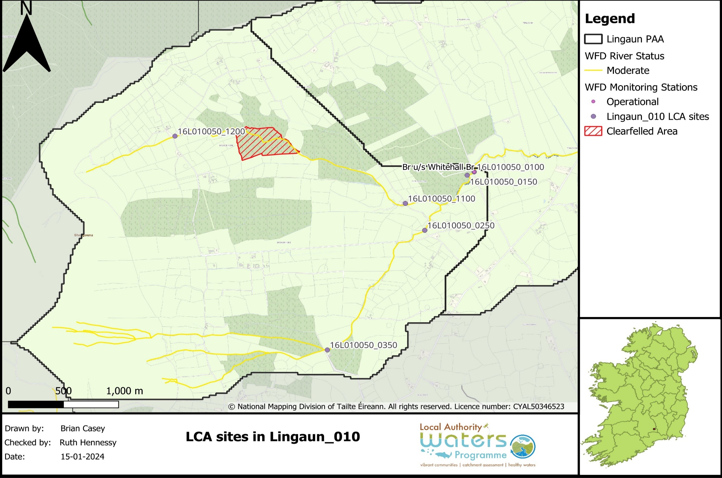

Map 1: LCA sites in the Lingaun_010
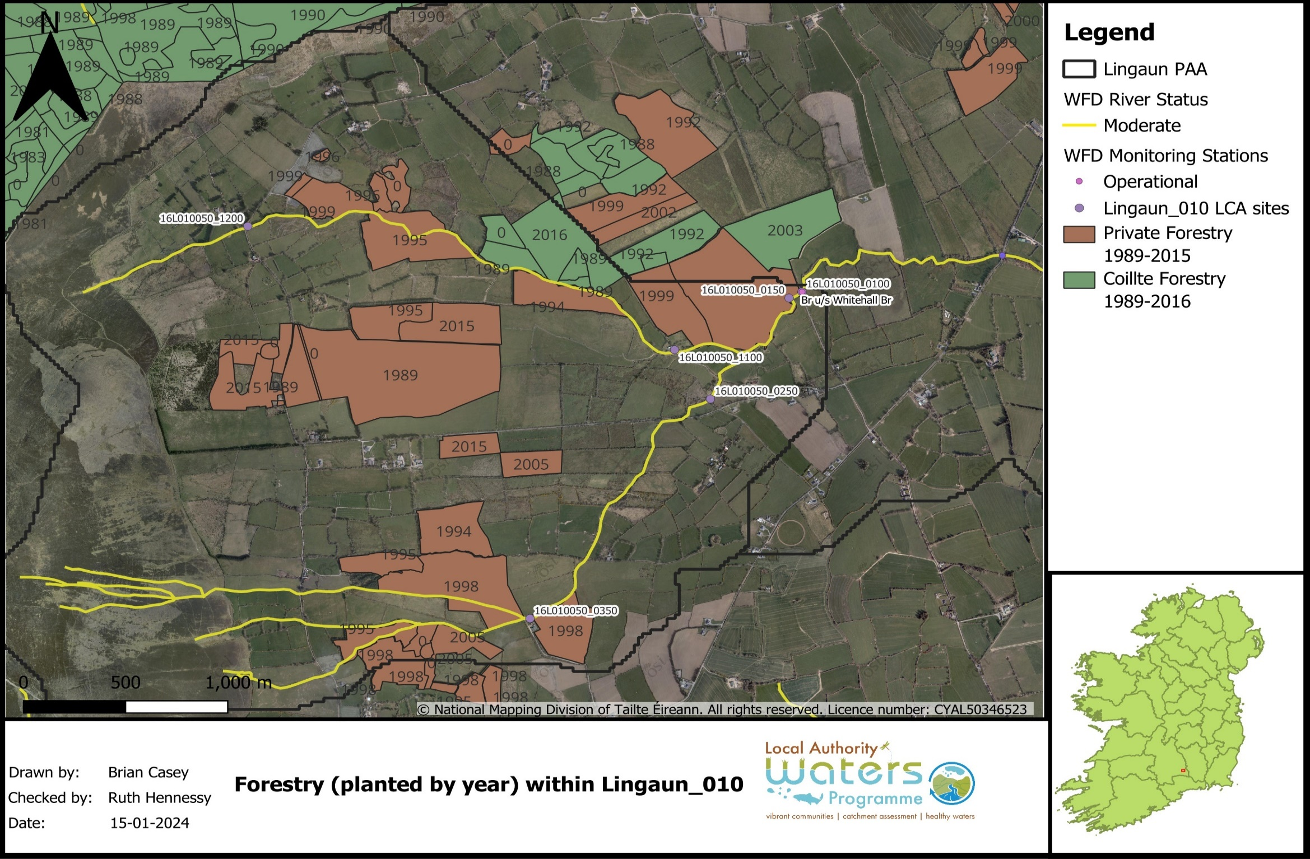

Map 2: Forestry planted (by year) within Lingaun_010

Photographs
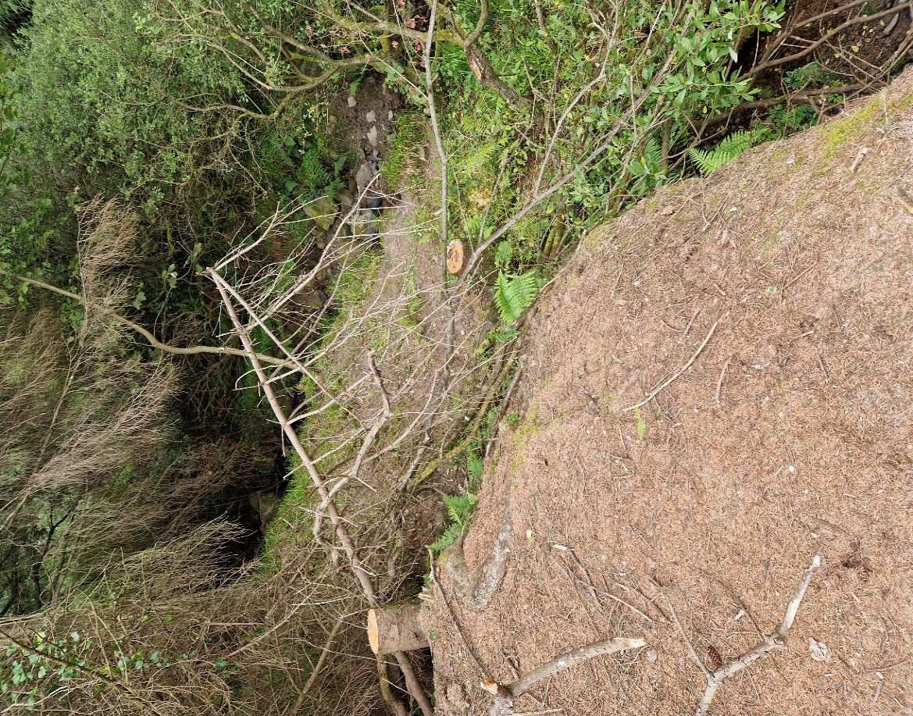
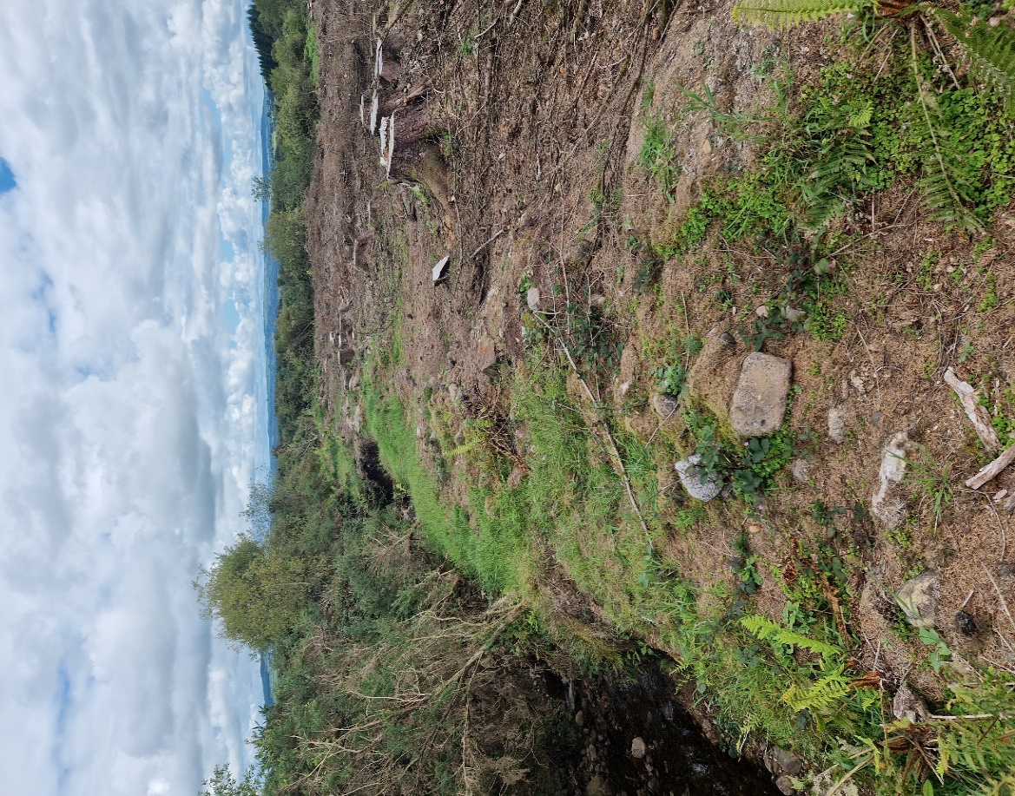

1A
1B

Photo 1A & 1B: Photographs showing clear-felling adjacent to the waterbody with no setback area
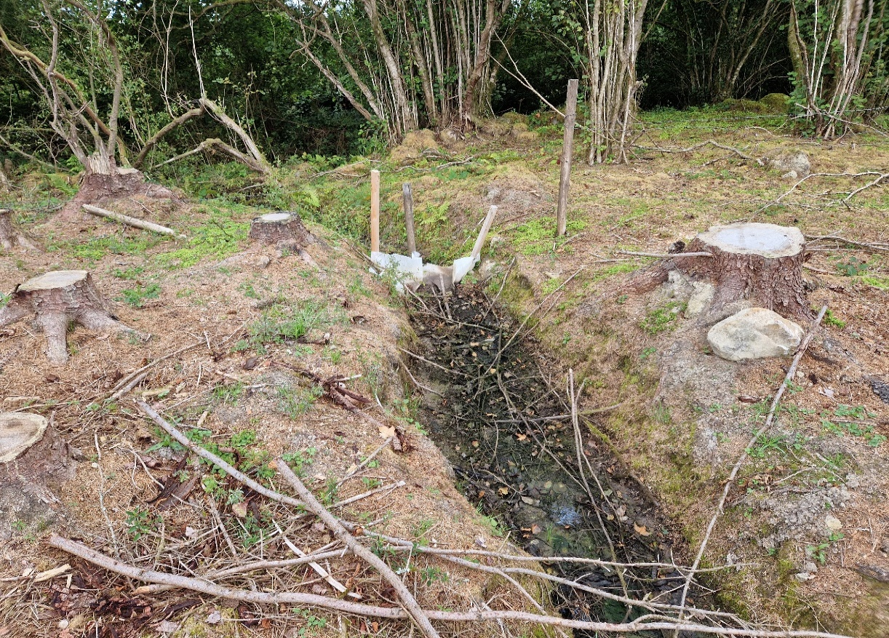

Photo 2: Collapsed sediment screen (waterbody in background)
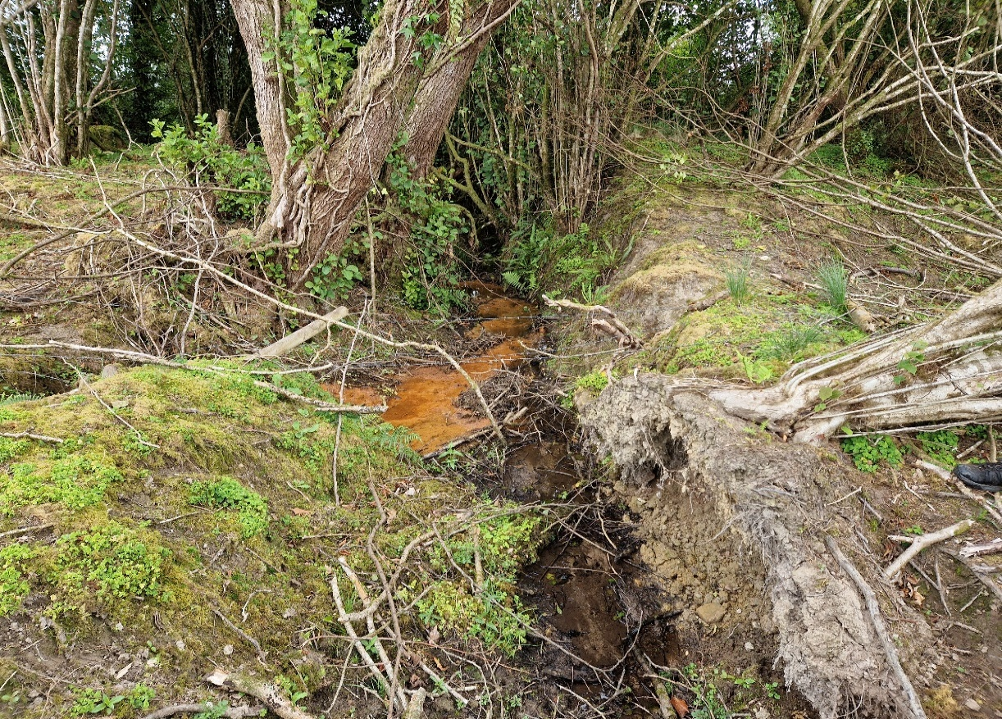

Photo 3: Breakthrough of iron oxide at a collapsed sediment screen
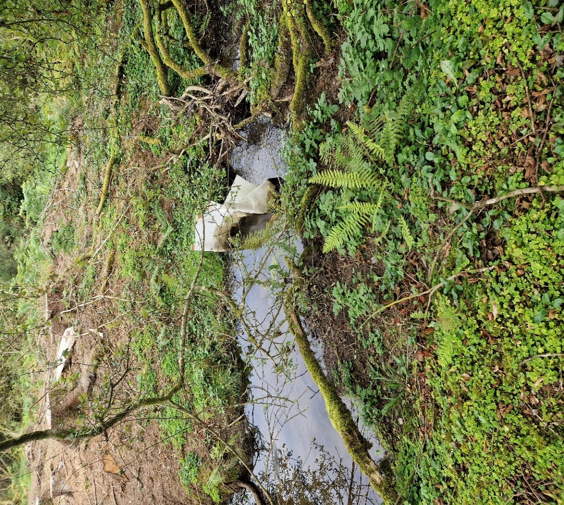

Photo 4: sediment screen placed in a tributary of the waterbody

Forestry licence information
